IV
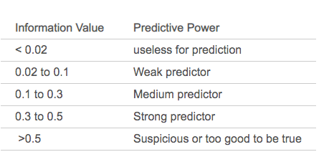

 |  |  |  | Useless for prediction

Edcuation Level
Row Labels | Attrited C | Existing C | Total | Churn rate | Attrited % | Existing % | Population% | IV
College | 154 | 859 | 1013 | 15% | 9% | 10% | 10% | 0.00041952181887
Doctorate | 95 | 356 | 451 | 21% | 6% | 4% | 4% | 0.0054849618674
Graduate | 487 | 2641 | 3128 | 16% | 30% | 31% | 31% | 0.00042478041113
High School | 306 | 1707 | 2013 | 15% | 19% | 20% | 20% | 0.00083595984498
Post-Graduate | 92 | 424 | 516 | 18% | 6% | 5% | 5% | 0.00083548474902
Uneducated | 237 | 1250 | 1487 | 16% | 15% | 15% | 15% | 1.3237956008E-05
Unknown | 256 | 1263 | 1519 | 17% | 16% | 15% | 15% | 0.00050140701754
Grand Total | 1627 | 8500 | 10127 | 16% | 100% | 100% | 100% | 0.0085153536649

Card Category
Row Labels | Attrited C | Existing C | Total | Churn rate | Attrited % | Existing % | Population% | IV
Blue | 1519 | 7917 | 9436 | 16% | 93% | 93% | 93% | 5.2299492804E-06
Gold | 21 | 95 | 116 | 18% | 1% | 1% | 1% | 0.00024917855677
Platinum | 5 | 15 | 20 | 25% | 0% | 0% | 0% | 0.00072580981692
Silver | 82 | 473 | 555 | 15% | 5% | 6% | 5% | 0.00051975836631
Grand Total | 1627 | 8500 | 10127 | 16% | 100% | 100% | 100% | 0.0014999766893

Income Category
Row Labels | Attrited C | Existing C | Total | Churn rate | Attrited % | Existing % | Population% | IV
$120K + | 126 | 601 | 727 | 17% | 8% | 7% | 7% | 0.00061319420529
$40K - $60K | 271 | 1519 | 1790 | 15% | 17% | 18% | 18% | 0.00085429096168
$60K - $80K | 189 | 1213 | 1402 | 13% | 12% | 14% | 14% | 0.0054615489801
$80K - $120K | 242 | 1293 | 1535 | 16% | 15% | 15% | 15% | 7.5842482954E-05
Less than $40K | 612 | 2949 | 3561 | 17% | 38% | 35% | 35% | 0.0023614144486
Unknown | 187 | 925 | 1112 | 17% | 11% | 11% | 11% | 0.00033397575575
Grand Total | 1627 | 8500 | 10127 | 16% | 100% | 100% | 100% | 0.0097002668343

Gender
Row Labels | Attrited C | Existing C | Grand Total | Churn rate | Attrited % | Existing % | Population% | IV
F | 930 | 4428 | 5358 | 17% | 57% | 52% | 53% | 0.0047020144405
M | 697 | 4072 | 4769 | 15% | 43% | 48% | 47% | 0.0056628983094
Grand Total | 1627 | 8500 | 10127 | 16% | 100% | 100% | 100% | 0.01036491275

Marital Sataus
Row Labels | Attrited Customer | Existing Customer | Grand Total | Churn rate | Attrited % | Existing % | Population% | IV
Divorced | 121 | 627 | 748 | 16% | 7% | 7% | 7% | 4.946719694E-06
Married | 709 | 3978 | 4687 | 15% | 44% | 47% | 46% | 0.0022995328438
Single | 668 | 3275 | 3943 | 17% | 41% | 39% | 39% | 0.001606216445
Unknown | 129 | 620 | 749 | 17% | 8% | 7% | 7% | 0.00052937921953
Grand Total | 1627 | 8500 | 10127 | 16% | 100% | 100% | 100% | 0.0044400752281

Dependent Count
Row Labels | Attrited Customer | Existing Customer | Grand Total | Churn rate | Attrited % | Existing % | Population% | IV
0 | 135 | 769 | 904 | 15% | 8% | 9% | 9% | 0.0006482946308
1 | 269 | 1569 | 1838 | 15% | 17% | 18% | 18% | 0.0021208246564
2 | 417 | 2238 | 2655 | 16% | 26% | 26% | 26% | 0.00018830660494
3 | 482 | 2250 | 2732 | 18% | 30% | 26% | 27% | 0.0035515426249
4 | 260 | 1314 | 1574 | 17% | 16% | 15% | 16% | 0.0001730300481
5 | 64 | 360 | 424 | 15% | 4% | 4% | 4% | 0.00022291476968
Grand Total | 1627 | 8500 | 10127 | 16% | 100% | 100% | 100% | 0.0069049133348

Box plot
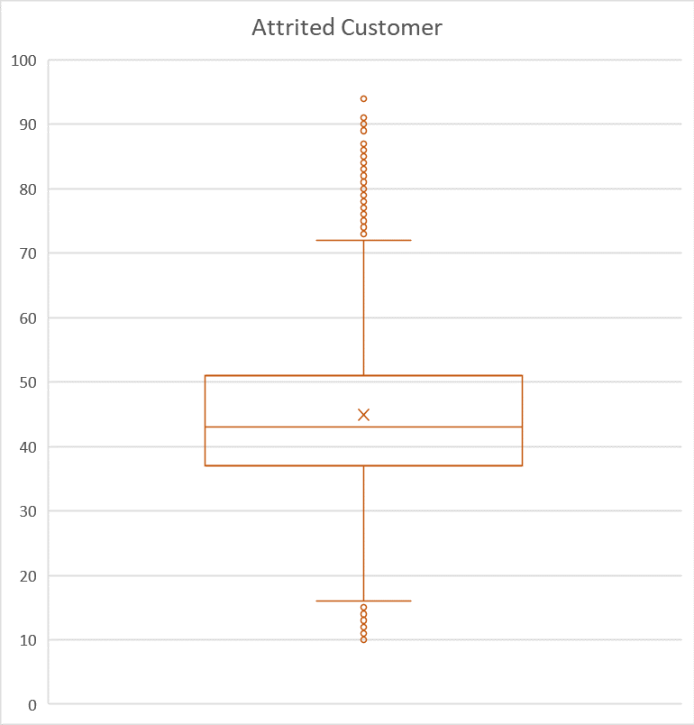

Pivot
Count of CLIENTNUM | Column Labels
Row Labels | Attrited Customer | Existing Customer | Grand Total
Divorced | 121 | 627 | 748
Married | 709 | 3978 | 4687
Single | 668 | 3275 | 3943
Unknown | 129 | 620 | 749
Grand Total | 1627 | 8500 | 10127

Row Labels | Count of CLIENTNUM | Average of Months_Inactive_12_mon
Attrited Customer | 1627 | 2.6933005532
Existing Customer | 8500 | 2.2737647059
Grand Total | 10127 | 2.3411671769

Count of CLIENTNUM | Column Labels
Row Labels | Attrited Customer | Existing Customer | Grand Total
0 | 135 | 769 | 904
1 | 269 | 1569 | 1838
2 | 417 | 2238 | 2655
3 | 482 | 2250 | 2732
4 | 260 | 1314 | 1574
5 | 64 | 360 | 424
Grand Total | 1627 | 8500 | 10127

